TestSummary
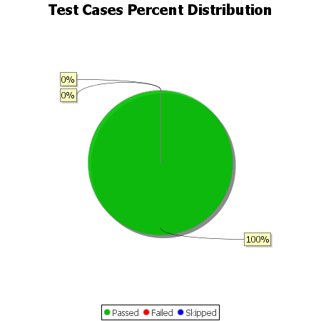
Total Test Cases | 1
Test Cases Passed | 1
Test Cases Failed | 0
Test Cases Skipped | 0

